Φύλλο1
Mold No. | Mold Pic | style | Product Descriptions |  |  |  |  |  |  |  |  |  |  |  |  |  | PIECES | Packing Details
 |  |  | Movt. |  | Watch Case |  |  | Watch Strap |  |  | Mirros |  |  | Button Type | Unit Weight/g | Waterproof |  | Inner Pack | Qty/Carton | Carton Size/cm | Packing Weight/kg
 |  |  | Model | Original | Mat. | Dia. | Thick/mm | Mat. | Length | Width | Mat. | Dia/mm | Thick/mm |  |  |  |  |  |  |  | G.W. | N.W.
6026-1 | 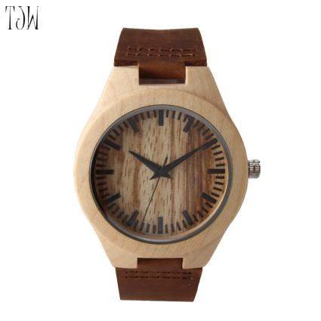 |  | 2035 | Japan | Maple | 45 | 11 | Genuine Leather | 180 | 24 | Mineral Glass |  |  | Steel Buckle | 30 | daily waterproof | 80 | 1pcs/oppbag, 20pcs / inner boxes | 200 | 45*32*32CM | 11KG | 10KG
6023-1 | 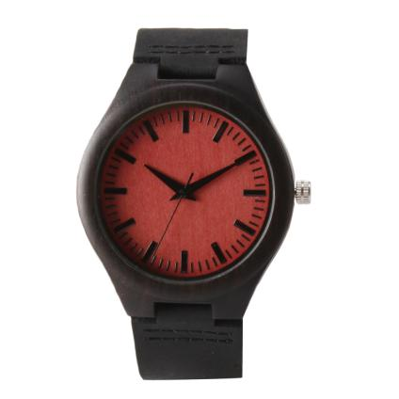 |  | 2035 | Japan | Ebony | 45 | 11 | Genuine Leather | 180 | 24 | Mineral Glass |  |  | Steel Buckle | 30 | daily waterproof | 40 | 1pcs/oppbag, 20pcs / inner boxes | 200 | 45*32*32CM | 11KG | 10KG
6002-1 | 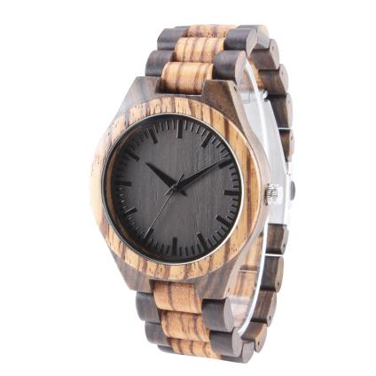 |  | 2035 | Japan | Zebrano & Ebony | 45 | 11 | Zebrano & Ebony | 180 | 24 | Mineral Glass |  |  | Steel Buckle | 45g | daily waterproof | 80 | 1pcs/oppbag, 20pcs / inner boxes | 200 | 45*32*32CM | 11KG | 10KG
JST-068 | 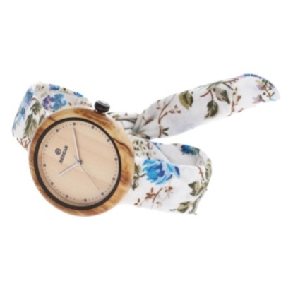 | female | 2035 | Japan | Olivewood | 43*43 | Cloth | 170-230 | 20 |  | Mineral Glass | 35 | 11 |  | 20 | daily waterproof | 100 | 1pcs/oppbag, 20pcs / inner boxes | 200 | 45*32*32CM | 11KG | 10KG
JST-082 | 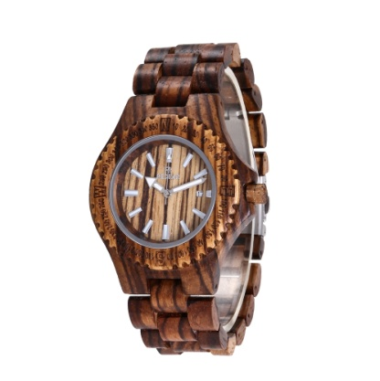 | male & female | 2115 | Japan | Zebrano | 43*52 | Zebrano | 170-230 | 25 |  | Mineral Glass | 30 | 12 | Steel Buckle | 51 | daily waterproof | 30 | 1pcs/oppbag, 20pcs / inner boxes | 200 | 45*32*32CM | 11KG | 10KG
JST-001 | 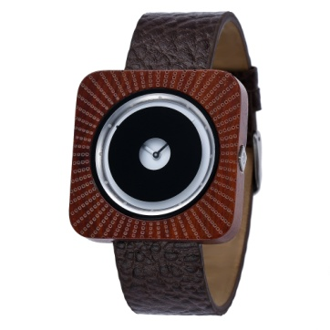 | male & female | 2035 | Japan | Paorosa | 43*43 | Genuine Leather | 170-230 | 22 |  | Mineral Glass | 33 | 10 | Steel Buckle | 50 | daily waterproof | 150 | 1pcs/oppbag, 20pcs / inner boxes | 200 | 45*32*32CM | 11KG | 10KG
TOTAL |  |  |  |  |  |  |  |  |  |  |  |  |  |  |  |  | 480

